DEWATA COCONUT (Coconut)
DATE | INV NO. | DESCRIPTIONS | AMOUNT | BILLS | PRICE | TOTAL
2026-01-02 | 11724 | COCONUT LOGO | 20 | 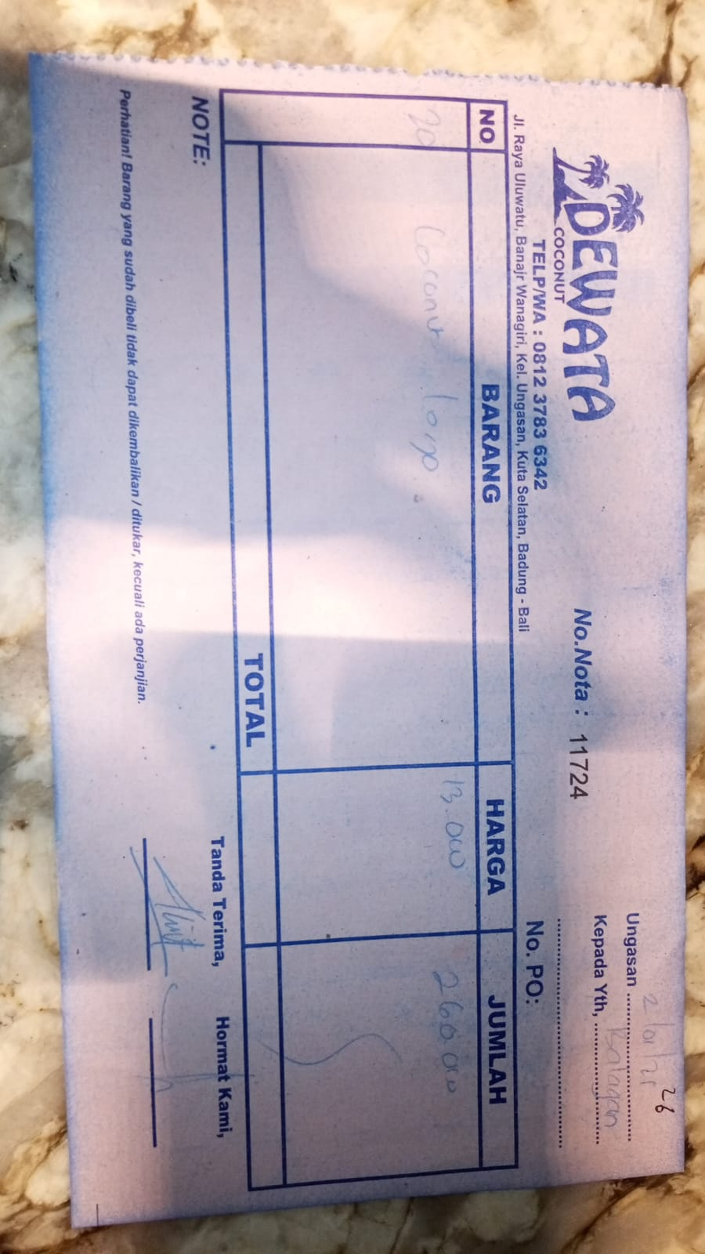 | IDR 13,000 | IDR 260,000
2026-01-04 | 12742 | COCONUT LOGO | 20 | 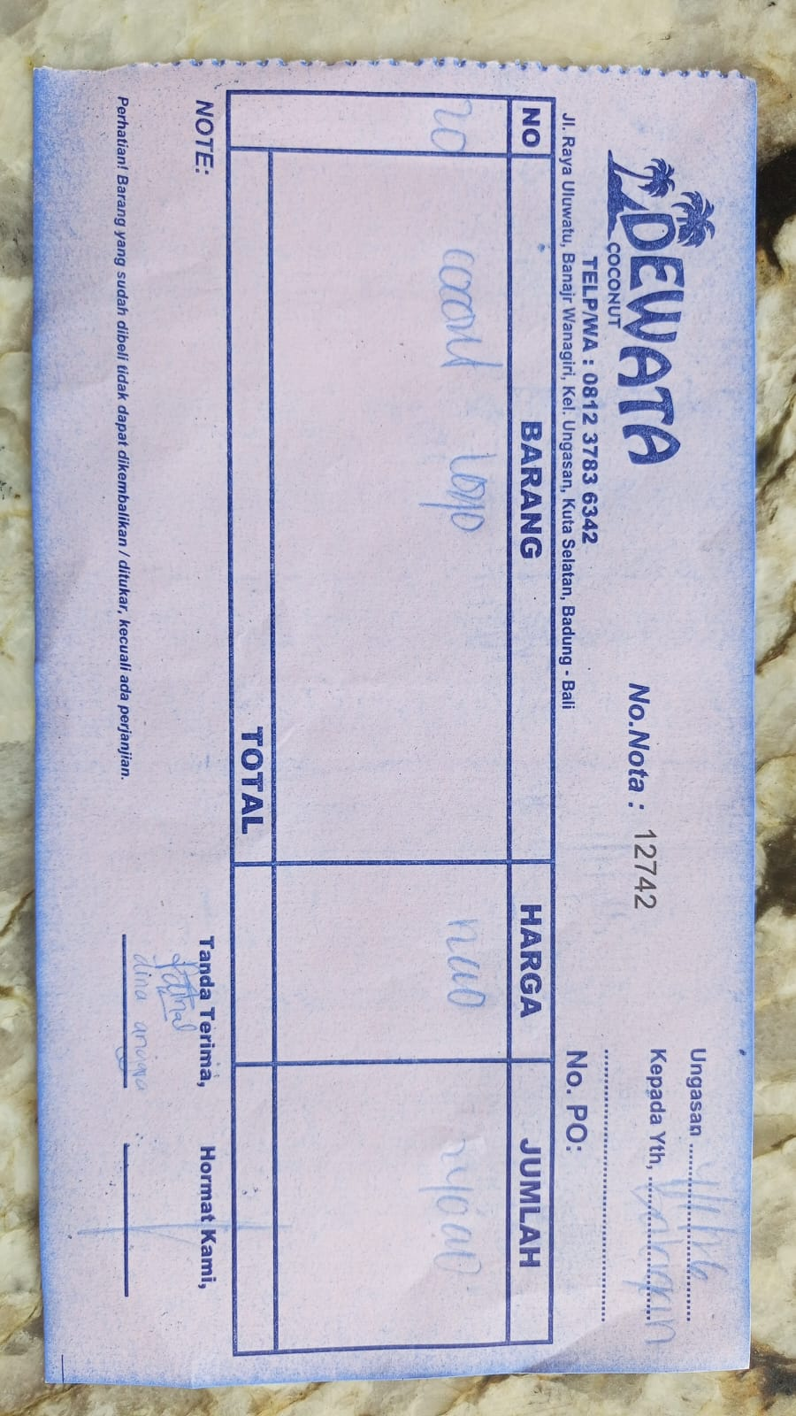 | IDR 12,000 | IDR 240,000
2026-01-07 | 11764 | COCONUT LOGO | 15 | 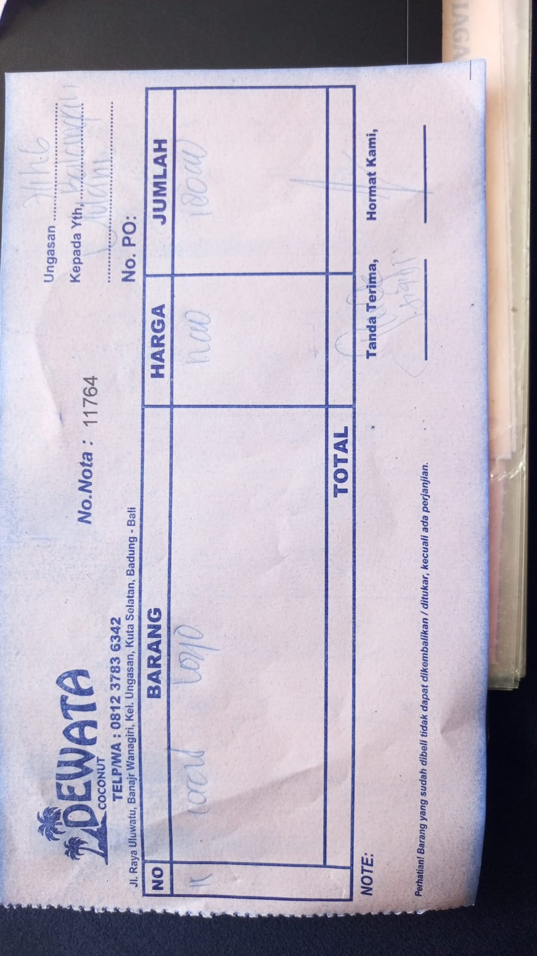 | IDR 12,000 | IDR 180,000
2026-01-10 | 12801 | COCONUT LOGO | 15 | 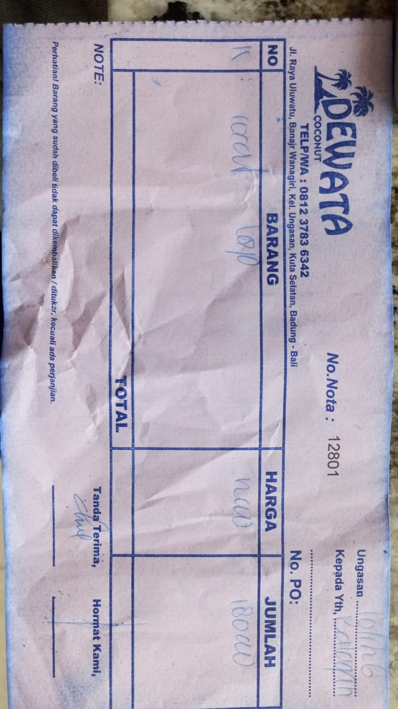 | IDR 12,000 | IDR 180,000
2026-01-12 | 11830 | COCONUT LOGO | 15 | 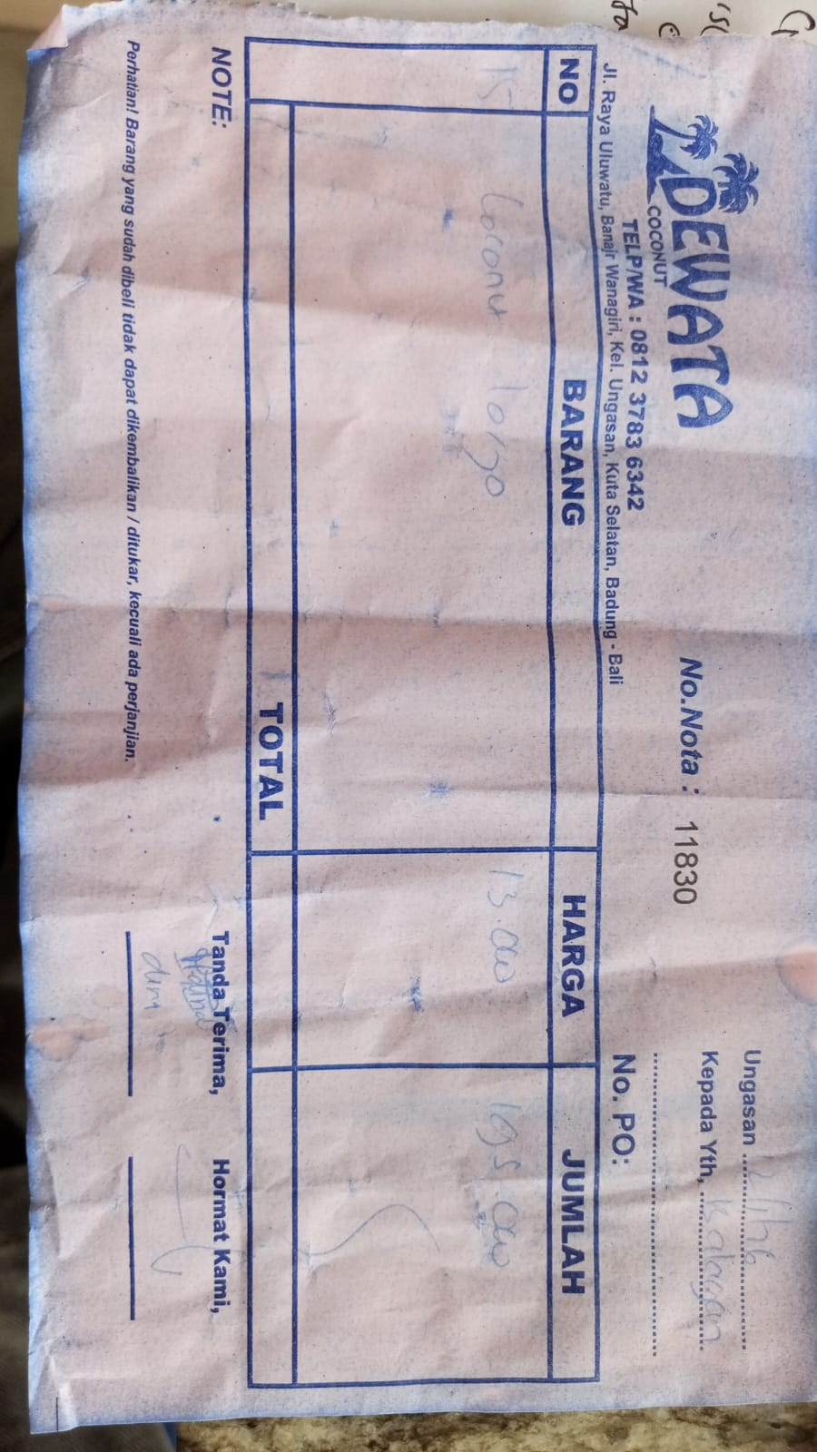 | IDR 13,000 | IDR 195,000
2026-01-15 | 12883 | COCONUT LOGO | 20 | 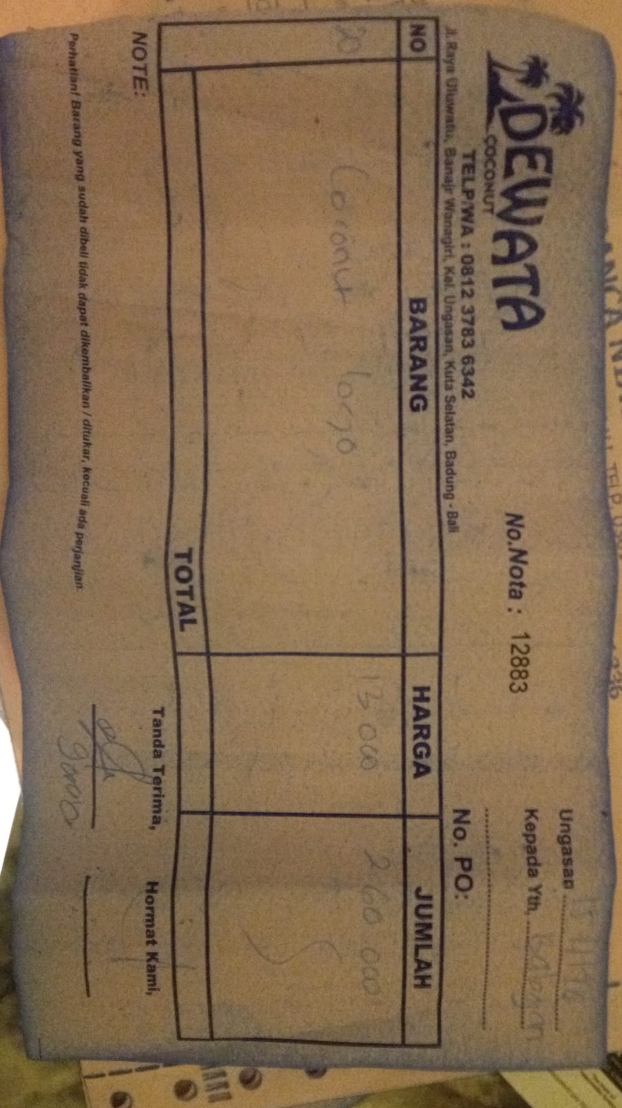 | IDR 13,000 | IDR 260,000
2026-01-18 | 13975 | COCONUT LOGO | 15 | 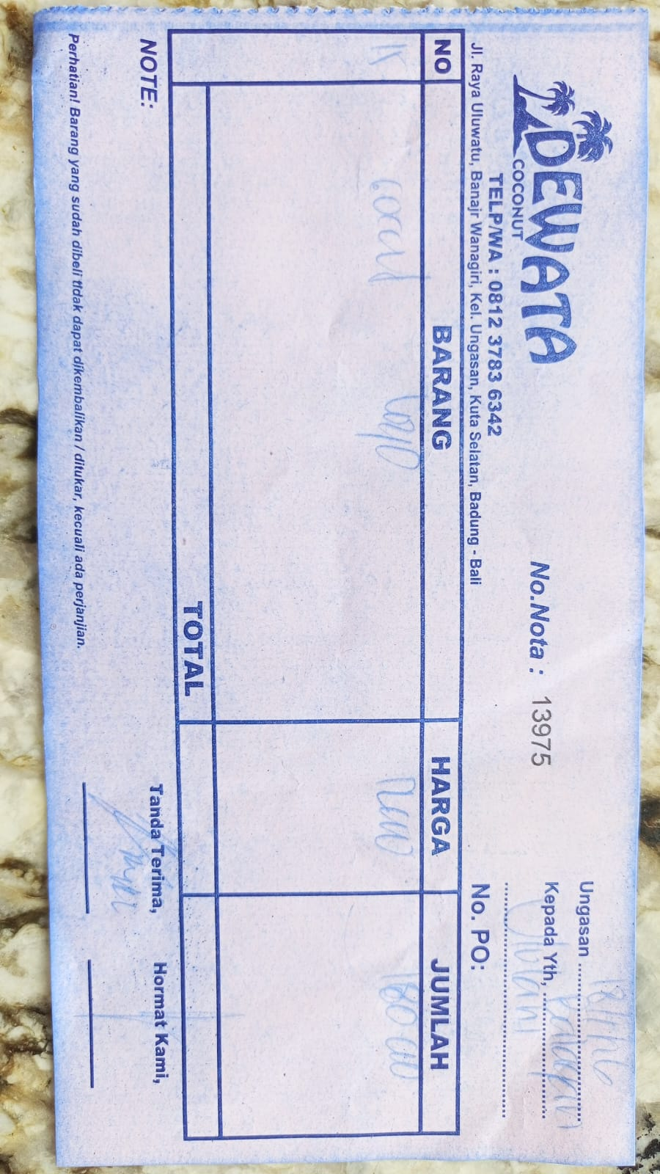 | IDR 12,000 | IDR 180,000
2026-01-21 | 12980 | COCONUT LOGO | 15 | 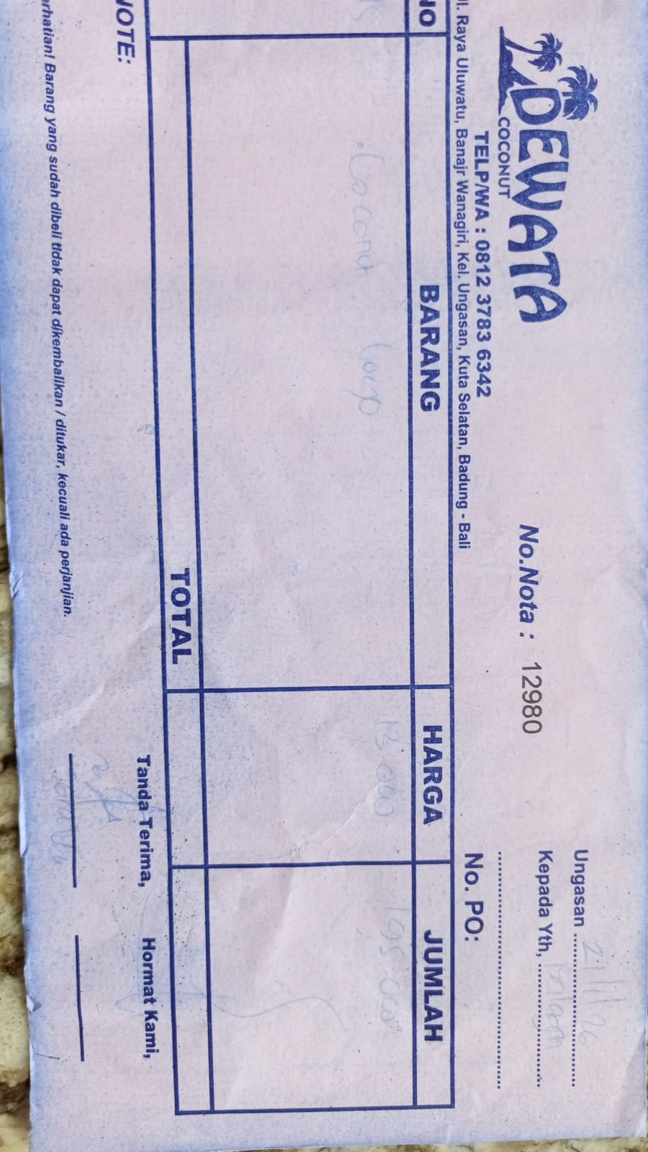 | IDR 13,000 | IDR 195,000
2026-01-23 | 13920 | COCONUT LOGO | 20 | 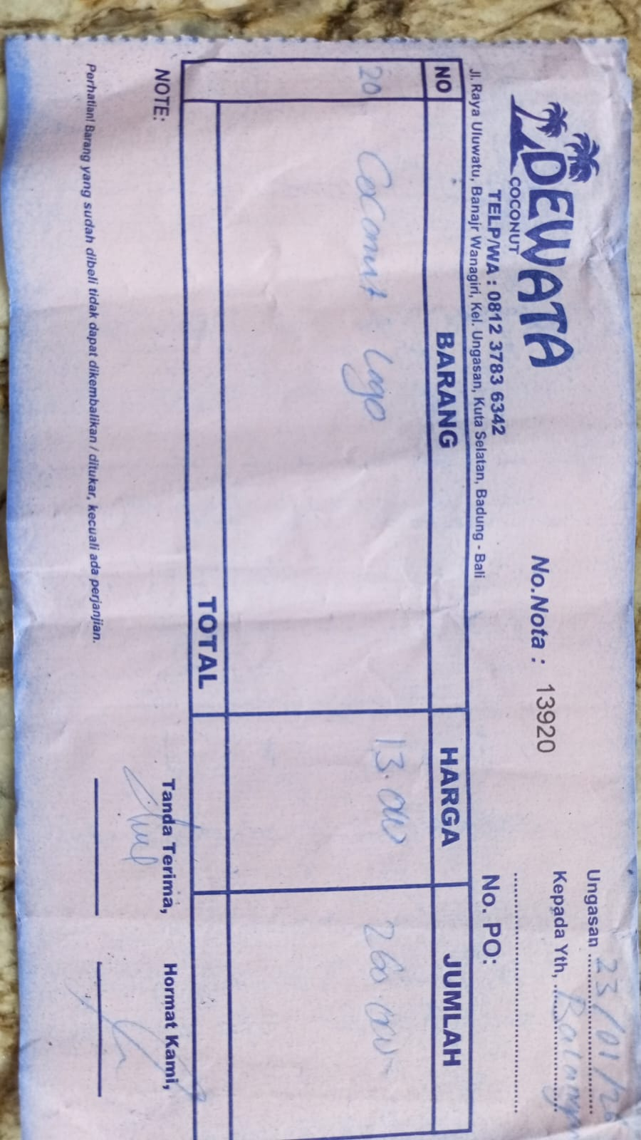 | IDR 13,000 | IDR 260,000
2026-01-25 | 12010 | COCONUT LOGO | 20 | 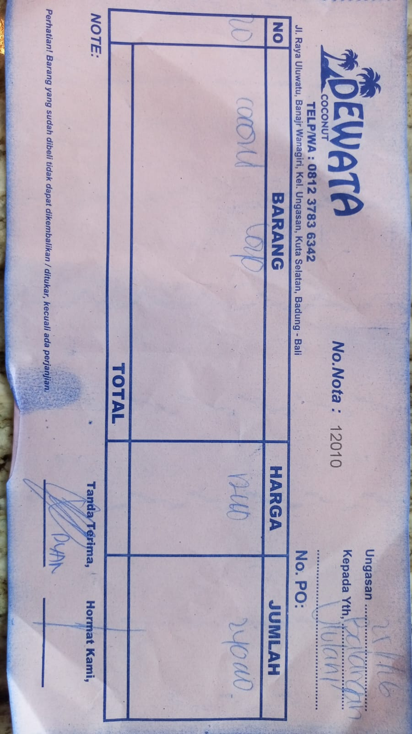 | IDR 12,000 | IDR 240,000
2026-01-28 | 12132 | COCONUT LOGO | 20 | 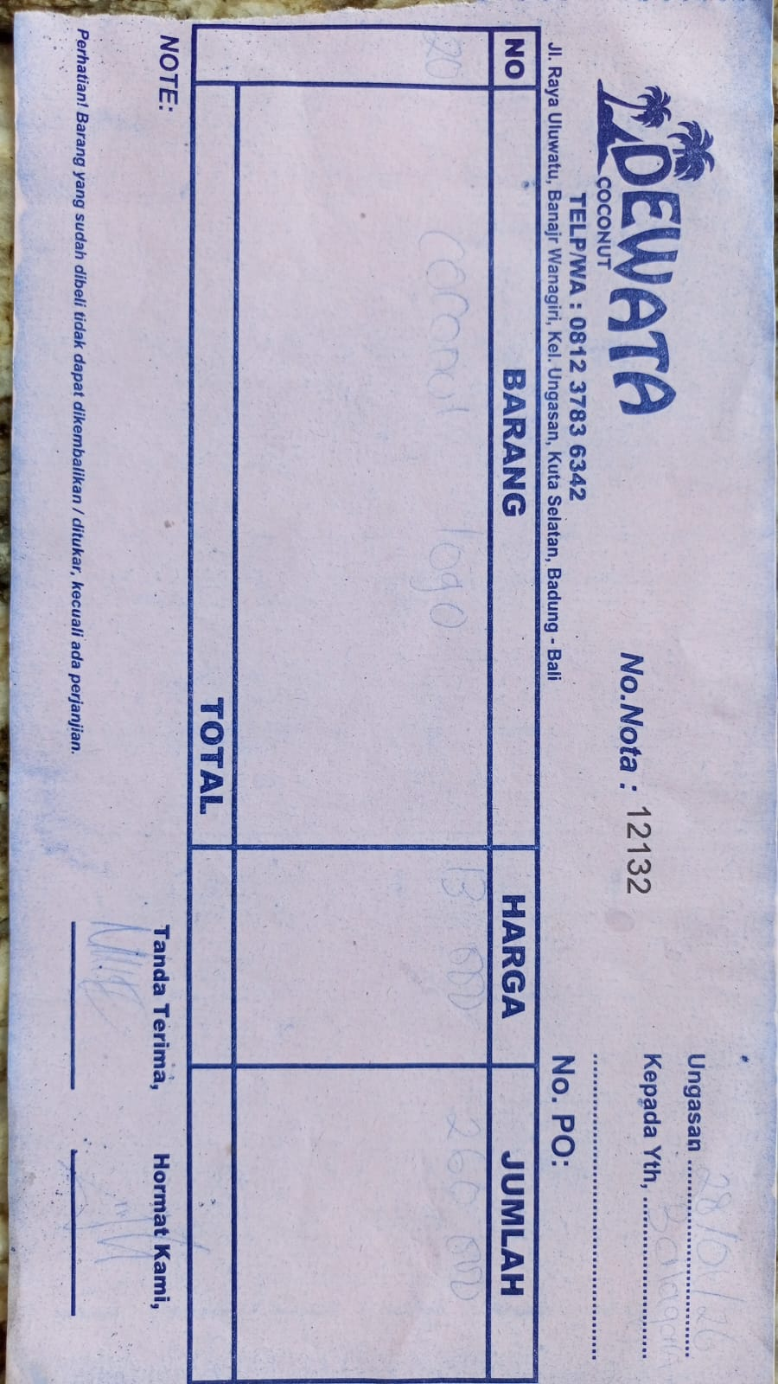 | IDR 13,000 | IDR 260,000
2026-01-30 | 12218 | COCONUT LOGO | 20 | 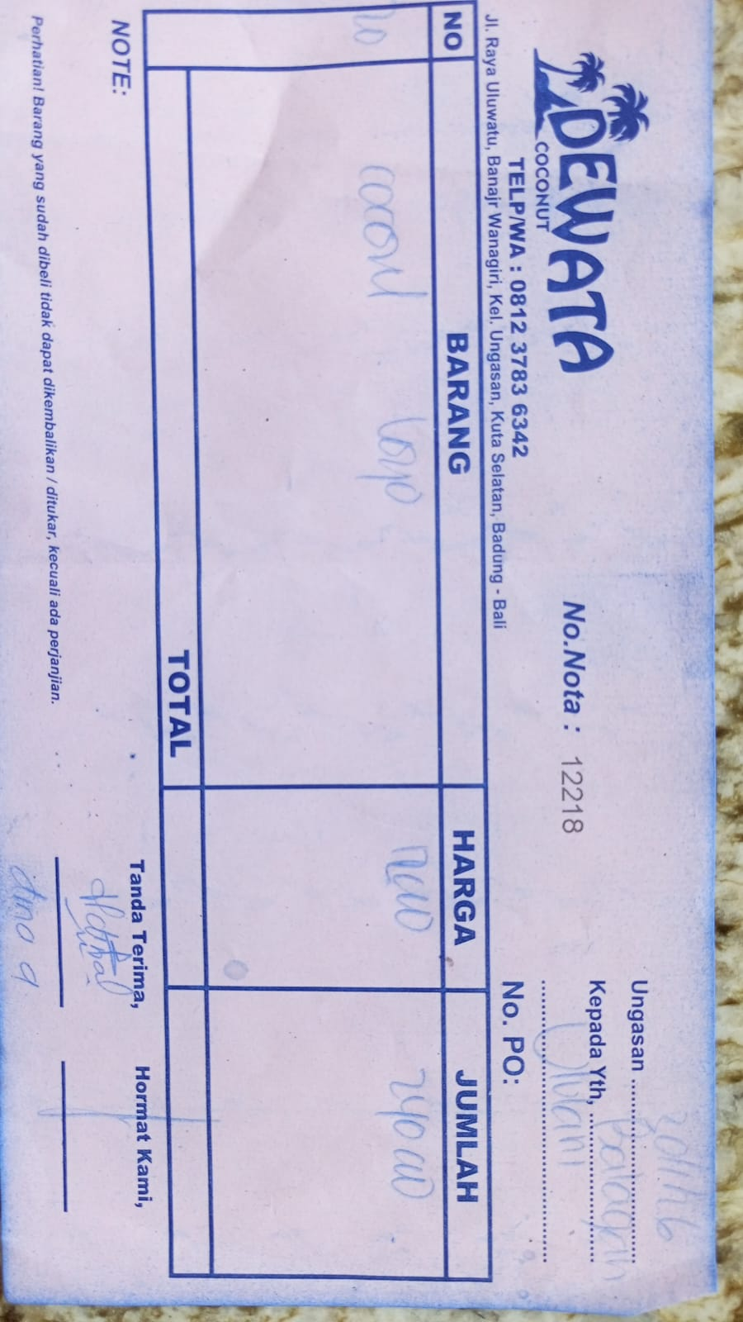 | IDR 12,000 | IDR 240,000
 |  |  |  |  |  | IDR -
GRAND TOTAL |  |  |  | Rp2,690,000

